Cover
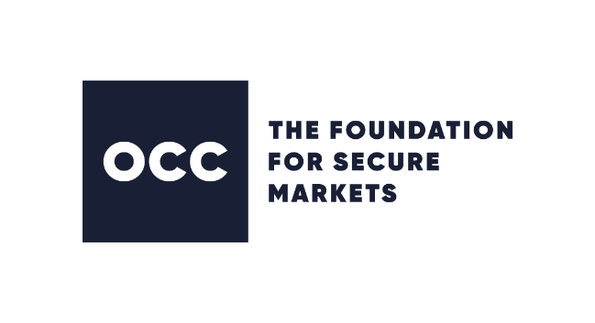

THE OPTIONS CLEARING CORPORATION

CPMI-IOSCO QUANTITATIVE DISCLOSURES - Q4 2018

For further information, please contact: PFMIdisclosures@theocc.com

Copyright 2018 The Options Clearing Corporation (“OCC”). All rights reserved. UNLESS SPECIFIED OTHERWISE, ALL DISCLOSURES ARE AS OF THE LAST DAY OF THE SUBJECT QUARTERLY PERIOD OR ARE FOR SUCH PERIOD. THE INFORMATION PROVIDED IN THIS DISCLOSURE IS REPORTED AS OF THE DATES SPECIFIED. USE OF THIS REPORT IS GOVERNED BY OCC's "USER AGREEMENT" LOCATED AT WWW.THEOCC.COM (“USER AGREEMENT”). WITHOUT LIMITING ANYTHING IN THE USER AGREEMENT, THIS REPORT IS PROVIDED "AS IS" AND “AS AVAILABLE” WITH ALL FAULTS, ERRORS, DEFECTS, INACCURACIES AND OMISSIONS. OCC DOES NOT MAKE, AND SPECIFICALLY DISCLAIMS, ALL WARRANTIES, WHETHER EXPRESS OR IMPLIED, INCLUDING BUT NOT LIMITED TO ANY WARRANTY OF NON-INFRINGEMENT, FITNESS FOR A PARTICULAR PURPOSE OR MERCHANTABILITY WITH RESPECT TO ALL ASPECTS OF THIS REPORT. OCC DOES NOT IN ANY WAY GUARANTEE, AND SHALL NOT BE LIABLE FOR, THE ADEQUACY, QUALITY, ACCURACY, COMPLETENESS, WORTH, OR TIMELINESS OF THIS REPORT. OCC DOES NOT WARRANT THAT THIS REPORT WILL BE ERROR-FREE OR THAT DEFECTS WILL BE CORRECTED. TO THE MAXIMUM EXTENT PERMITTED BY LAW, UNDER NO CIRCUMSTANCES, INCLUDING NEGLIGENCE, SHALL OCC, OR ITS DIRECTORS, OFFICERS, MANAGERS, AGENTS OR CONSULTANTS, BE LIABLE FOR ANY DIRECT, INDIRECT, SPECIAL, INCIDENTAL, PUNITIVE OR CONSEQUENTIAL DAMAGES, INCLUDING BUT NOT LIMITED TO, LOSS OF PROFITS, TRADING LOSSES, LOST TIME OR GOODWILL, ARISING OUT OF, CONNECTED WITH, OR RESULTING FROM THIS REPORT OR THE USE THEREOF, EVEN IF THEY MIGHT HAVE ANTICIPATED OR HAVE BEEN ADVISED OF THE POSSIBILITY OF SUCH DAMAGES.

